1. Title Page
Instacart Grocery Basket Analysis

Project Name: Instacart Basket Analysis
Date: 01-2023
Analyst Name: Grace Skelley

CONTENTS:
Population Flow
Consistency checks
Wrangling steps
Column derivations
Visualizations
Recommendations

RESOURCES:
Customers Data Set
Data Dictionary
Citation (required in your final report): "The Instacart Online Grocery Shopping Dataset 2017"

2. Population Flow
 | Title page

Population flow

Exclusion flag
Condition: max_order < 5
Obervations to be removed: 1440290
Final total count of order_products_all: 30964564, 34

Orders_products_combined
Orders_products_merged
Orders_products_all

Total: 32404854, 25
Total: 32434489, 11
Total: 30964564, 34

Note: Instacart is a real company that’s made their data available online. However, the contents of this project brief have been fabricated for the purpose of this Achievement

3. Consistency checks
 |  |  |  |  |  | Title page
Consistency checks

Note: Instacart is a real company that’s made their data available online. However, the contents of this project brief have been fabricated for the purpose of this Achievement

Data Frame | Column | Missing values | Missing values treatment | Duplicates | Python Notebook (Script) Name
orders | days_since _prior_order | 206,209 | Keep - assuming the missing values are indications for new customers with no existing previous transactional activities of orders. Created a "new_customer" column with values Yes/No to differentiate old/new customers. | Not found | 4.5 Data Consistency Checks
products | product_name | 16 | Eliminated 16 missing values by using a subset | Cleared 5 duplicate values
orders_products_prior |  | No missing value found | N/A | Not found
ords_prods_merge | order_frequency_flag | 5 | Assuming these entries were recently added orders into the system. The records are removed from the updated DataFrame file to maintain data consistency. | Not found | 4.8 Grouping Data & Aggregating Variables
customers | Name | 11259 | First Names are missing which will not impact analysis for any data discrepancies, it can be treated as privacy compliance and will keep the way it is. | Not found | 4.9 Intro to Data Visualization with Python (PART 1)

4. Wrangling steps
 |  |  |  |  |  | Title page
Wrangling steps

Note: Instacart is a real company that’s made their data available online. However, the contents of this project brief have been fabricated for the purpose of this Achievement

Data Frame | Columns dropped | Columns renamed | Columns' type changed | Comment/Reason | Python Notebook (Script) Name
orders | eval_set |  |  | Irrelevant data points for analysis purposes. | 4.4 Data Wrangling & Subsetting
 |  | user_id |  | Renamed to customer_id for clarity.
 |  | order_dow |  | Renamed to order_day_of_week for calrity.
 |  |  | user_id, order_id | Convert data type from integer to string.
 |  |  | order_hour_of_day | Convert data type from float64 to int64. Maintained whole numerical value to differentiate the total count of orders per hour.
customer |  | user_id |  | Renamed to customer_id for clarity. | 4.9 Intro to Data Visualization with Python (PART 1)
 |  | First Name |  | Renamed to Name for consistency.
 |  | Surnam |  | Renamed to Surname for consistency.
 |  | STATE |  | Renamed to State for consistency.
 |  | date_joined |  | Renamed to Member_Since for clarity.
 |  | n_dependants |  | Renamed to No_of_Depedants for clarity.
 |  | fam_status |  | Renamed to Marital_Status for clarity.
 |  | income |  | Renamed to Income for consistency.
 |  |  | Name | Convert data type from object to string.

5. Column derivations
 |  |  |  |  |  | Title page

Column derivations and aggregations

Note: Instacart is a real company that’s made their data available online. However, the contents of this project brief have been fabricated for the purpose of this Achievement

Data Frame | New column | Column/s it was derived from | Conditions | Conditions Total Value Count | Python Notebook (Script) Name
df_merge_large *Exported file name as orders_products_merged_update.pkl | price_range | prices | prices > 15 = 'High-range product' | 417678 (L) | 4.7 Deriving New Variables
 |  |  | prices <= 15 & > 5 = 'Mid-range product' | 21860860 (H)
 |  |  | prices <= 5 = 'Low-range product' | 10126321
 | busiest day | order_day_of_week | if value = 0 then "Busiest day" | 6204182
 |  |  | if value = 4 then "Least busy" | 3783802 (L)
 |  |  | and else then "Regularly busy" | 22416875 (H)
 | Busiest days | order_day_of_week | if value = 0 or 1, then "Busiest days" | 11864412
 |  |  | if value = 3 or 4, then "Slowest days" | 7624336 (L)
 |  |  | and else, then "Regularly busy" | 12916111 (H)
 | busiest_period_of_day | order_hour_of_day | Quantile's Category of Order Frequency by Hour: q1 (75%): 2,556,034.5 q2 (50%): 1,117,230.5 q3 (25%): 272,562.5
 |  |  | Most orders (q1) = hours between 8-19 | 27818650 (H)
 |  |  | Average orders (q2) = hours between 7-6 & 20-23 | 3989881
 |  |  | Fewest orders (q3) = hours between 0-5 | 596328 (L)
ords_prods_merge *Exported file name as orders_products_merged_update2.pkl | loyalty_flag | max_order | max order > 40, then 'Loyal customer' | 10284093 | 4.8 Grouping Data & Aggregating Variables
 |  |  | max_order <= 40 & >10, then 'Regular customer' | 15876776 (H)
 |  |  | max_order <= 10, then 'New customer' | 6243990 (L)
 | spender_flag | average_price | average_price >= 10, then 'High spender' | 31770614 (H)
 |  |  | average_price < 10, then 'Low spender' | 634245 (L)
 | median_days_since_prior_order | customer_id & days_since_prior_order | The aggregate median value of each order day per customer
 | order_frequency_flag | median_days_since_prior_order | if value <= 10, then 'Frequent customer' | 21559853 (H)
 |  |  | if value > 10 & <= 20, then 'Regular customer' | 7208564
 |  |  | if value > 20, then 'Non-frequent customer' | 3636437 (L)
final_df *Exported file name as High Activity Customers.csv | Region | State | If value = 'Maine', 'New Hampshire', 'Vermont', 'Massachusetts', 'Rhode Island', 'Connecticut', 'New York', 'Pennsylvania', 'New Jersey', then 'Northeast' | 5722736 (L) | 4.10 Coding Etiquette & Excel Reporting
 |  |  | If value = 'Wisconsin', 'Michigan', 'Illinois', 'Indiana', 'Ohio', 'North Dakota', 'South Dakota', 'Nebraska', 'Kansas', 'Minnesota', 'Iowa', 'Missouri', then 'Midwest' | 7597325
 |  |  | If value = 'Delaware', 'Maryland', 'District of Columbia', 'Virginia', 'West Virginia', 'North Carolina', 'South Carolina', 'Georgia', 'Florida', 'Kentucky', 'Tennessee', 'Mississippi', 'Alabama', 'Oklahoma', 'Texas', 'Arkansas', 'Louisiana', then 'South' | 10791880 (H)
 |  |  | If value = 'Idaho', 'Montana', 'Wyoming', 'Nevada', 'Utah', 'Colorado', 'Arizona', 'New Mexico', 'Alaska', 'Washington', 'Oregon', 'California', 'Hawaii', then 'West' | 8292913
 | activity_flag | max_order | If value >= 5, then 'High Activity' | 30964564 (H)
 |  |  | If value < 5, then 'Low Activity' | 1440290 (L)
 | Age_Category | Age | If value >= 18 & < 29, then 'School Age Adult' | 5320312
 |  |  | If value >= 30 & < 39, then 'Young Adult' | 4362259
 |  |  | If value >= 40 & <49, then 'Middle Age' | 4375300
 |  |  | If value >= 50 & < 59, then 'Senior Middle Age' | 4361056 (L)
 |  |  | If value >= 60, then 'Senior' | 10574504 (H)
 | Income_Category | Income | If value >= $400001, then 'High Income' | 46996 (L)
 |  |  | If value >= 200001 & <= 400000, then 'Upper Middle Income' | 207146
 |  |  | If value >= 100001 & <= 200000, then 'Middle Income' | 13952886
 |  |  | If value <= 100000, then 'Low Income' | 16757536 (H)
 | Household Status | No_of_Dependants & department_id | If value <= 0, then 'Single' | 7739681
 |  |  | If value = (department_id) = 18 & (No_of_Dependants) > 0, then 'With Young Children' | 307064 (L)
 |  |  | If value = (department_id) not equal to 18 & (No_of_Dependants) > 0, then 'With Older Children' | 22917819 (H)

 |  |  |  | LEGEND
 |  |  |  | (H) - Highest Value
 |  |  |  | (L) - Lowest Value

6. Visualizations
 |  |  |  |  |  |  |  |  |  |  |  |  |  |  | Title page

Visualisations

Note: Instacart is a real company that’s made their data available online. However, the contents of this project brief have been fabricated for the purpose of this Achievement

1) The sales team needs to know what the busiest days of the week and hours of the day are (i.e., the days and times with the most orders) in order to schedule ads at times when there are fewer orders.

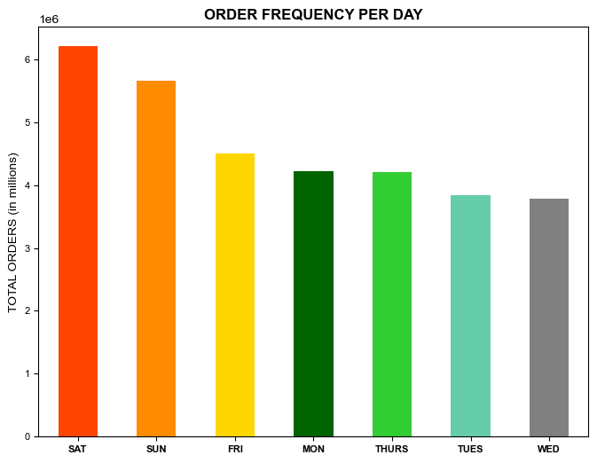
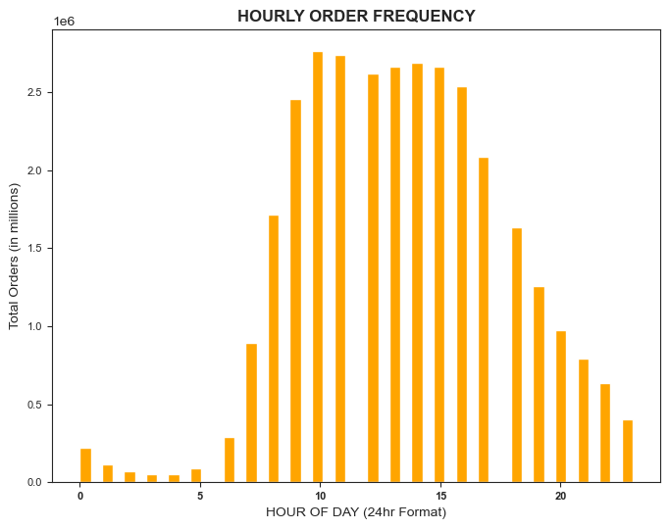

The bulk of the orders falls on a weekend respectively: - Saturday (6+ million total orders) s - Sunday (5+ million total orders), and jjj - Friday (4+ million orders) xxxxxx These days fall either/or end of the week or no-work days therefore, restock orders are placed on weekends for the week. |  |  |  |  |  |  |  | Customers places order 24/7, however, the frequency rises from 6 am reaching over 2.5 million orders at 9:00 am (9th hour) to 3:00 pm (15th hour). The activities tend to drop dramatically at a later time of the day starting from 4:00 pm (16th hour) onwards.

High-volume activities are more prominent towards the end of the week, in which customers may plan weekend shopping on Saturdays, Sundays, and Fridays between 9 am-3 pm. While Monday through Thursday is the slowest days of the week hence working days.

2) Are there particular times of the day when people spend the most money, as this might inform the type of products they advertise at these times.

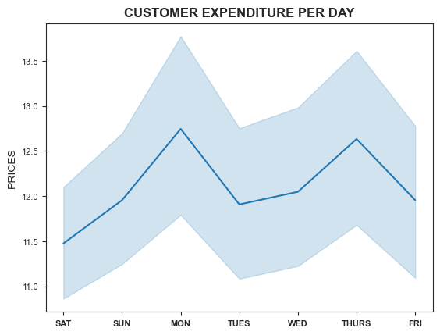
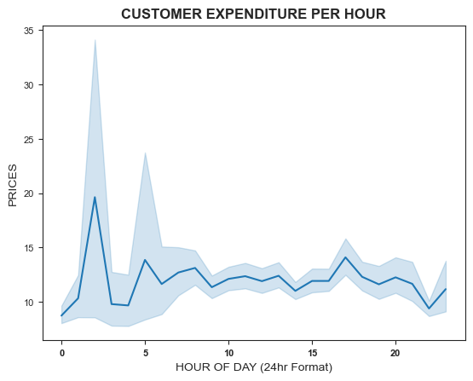

Data suggests that customers tend to spend more on the least busy days like Mondays and Thursdays. While weekends (Fridays through Sundays) fall at the lowest price points orders. This can indicate that consumers may be purchasing in smaller quantities products but with higher price values. |  |  |  |  |  |  |  | High-priced orders seem to peak on odd hours between 3 am to 2 am, 5 am then 4 pm. While purchases between these hours are likely to remain stagnant during the busiest hours (9 am-3 pm). This is mainly because the average price is influenced by the larger number of purchased items.

The line charts are driven from a small subset DataFrame (30% - sampling).

3) Instacart has a lot of products with different price tags. Marketing and sales want to use simpler price range groupings to help direct their efforts.

 |  | department |  | HIGH | LOW | MID
 |  | alcohol |  | - | 33,046 | 111,581
 |  | babies |  | - | 121,484 | 288,908
 |  | bakery |  | - | 274,986 | 845,842
 |  | beverages |  | - | 814,697 | 1,757,204
 |  | breakfast |  | - | 209,185 | 461,665
 |  |  | bulk | - | 1,181 | 32,270
 |  | canned goods |  | - | 281,711 | 730,363 |  | TOTAL PRODUCTS BY PRICE RANGE
 |  | dairy eggs |  | 4,877 | 1,370,908 | 3,801,397
 |  | deli |  | - | 299,220 | 704,614 |  | HIGH PRICE VALUE |  |  | MID PRICE VALUE |  |  | LOW PRICE VALUE
 |  | dry goods pasta |  | - | 284,346 | 537,790 |  | Meat Seafood |  |  | Produce |  |  | Produce
 |  | frozen |  | - | 647,617 | 1,474,114 |  | Dairy Eggs |  |  | Dairy Eggs |  |  | Snacks
 |  | household |  | - | 245,070 | 454,787 |  |  |  |  |  |  |  | Dairy Eggs
 |  | international |  | - | 73,203 | 182,788
 |  | meat seafood |  | 392,855 | - | 281,926 |  | Dairy eggs products have wider price points for consumers. While other departments offer 2 different price options.
 |  | missing |  | - | 18,516 | 46,252
 |  |  | other | - | 15,259 | 19,152
 |  | pantry |  | 221 | 504,521 | 1,277,963
 |  | personal care |  | - | 123,874 | 300,432
 |  | pets |  | - | 28,165 | 64,895
 |  |  | produce | - | 2,585,708 | 6,493,565
 |  | snacks |  | - | 1,742,143 | 1,024,263

4) Are there certain types of products that are more popular than others? The marketing and sales teams want to know which departments have the highest frequency of product orders.

 |  | department |  | mean | min | max
 |  | alcohol |  | 0.590166 | 0 | 1
 |  |  | babies | 0.59122 | 0 | 1
 |  | bakery |  | 0.644934 | 0 | 1
 |  | beverages |  | 0.669548 | 0 | 1
 |  | breakfast |  | 0.577357 | 0 | 1
 |  |  | bulk | 0.589788 | 0 | 1
 |  | canned goods |  | 0.473826 | 0 | 1 |  | PRODUCTS ORDER FREQUENCY
 |  | dairy eggs |  | 0.686309 | 0 | 1
 |  | deli |  | 0.624485 | 0 | 1 |  |  | MOST POPULAR |  |  |  | LEAST POPULAR
 |  | dry goods pasta |  | 0.477434 | 0 | 1 |  |  | Dairy Eggs (0.686309) |  |  |  | Personal Care (0.334148)
 |  | frozen |  | 0.558728 | 0 | 1 |  |  | Beverages (0.669548) |  |  |  | Pantry (0.359807)
 |  | household |  | 0.418078 | 0 | 1 |  |  | Produce (0.666655) |  |  |  | International (0.382396)
 |  | international |  | 0.382396 | 0 | 1 |  |  | Bakery (0.644934)
 |  | meat seafood |  | 0.585137 | 0 | 1
 |  | missing |  | 0.409369 | 0 | 1 |  | On average, it seems customers restock on high consumables while items that have longer shelf life are the least restocked products.
 |  |  | other | 0.42251 | 0 | 1
 |  | pantry |  | 0.359807 | 0 | 1
 |  | personal care |  | 0.334148 | 0 | 1
 |  | pets |  | 0.61917 | 0 | 1
 |  | produce |  | 0.666655 | 0 | 1
 |  | snacks |  | 0.589307 | 0 | 1

5) The marketing and sales teams are particularly interested in the different types of customers in their system and how their ordering behaviors differ.

 | - What’s the distribution among users in regards to their brand loyalty (i.e., how often do they return to Instacart)?

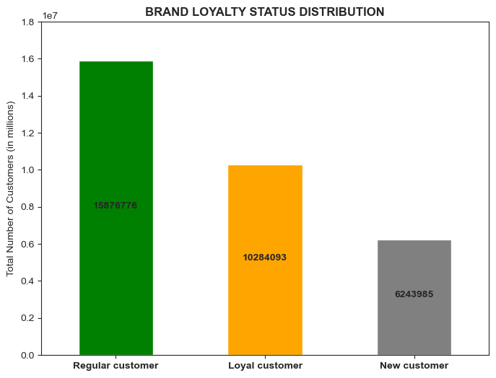
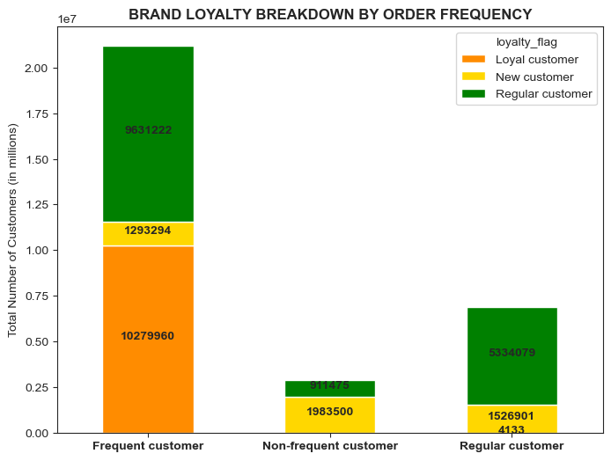

 | 49% are regular customers that purchase 11 to 39 products per transaction. |  |  |  |  |  |  |  | Regular customers are widely spread in all three frequency levels however the majority of loyal customers seem to shop more frequently than others.

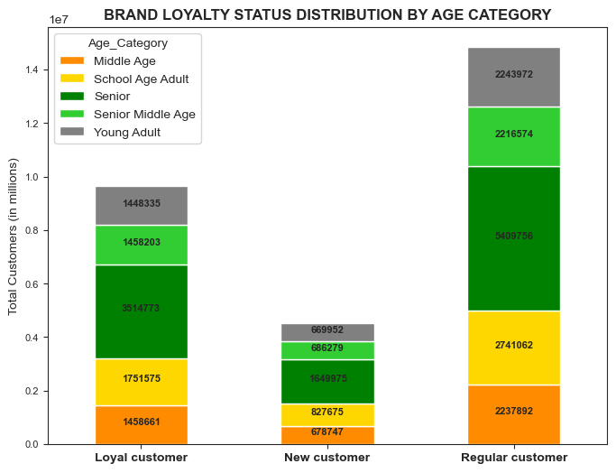
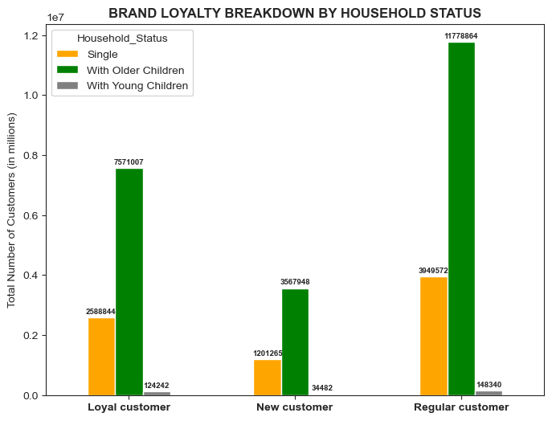
 |  |  |  |  |  |  | AGE CATEGORIES:
 |  |  |  |  |  |  | SCHOOL AGE ADULT 18 - 29
 |  |  |  |  |  |  | YOUNG ADULT 30 - 39
 |  |  |  |  |  |  | MIDDLE AGE 40 - 49
 |  |  |  |  |  |  | SENIOR MIDDLE AGE 50 - 59
 |  |  |  |  |  |  | SENIOR 60 - older

 | It appears that there is a wide range of senior buyers. |  |  |  |  |  |  |  | Data suggests there is a high number of families with older children with regular customers still leading the charts.

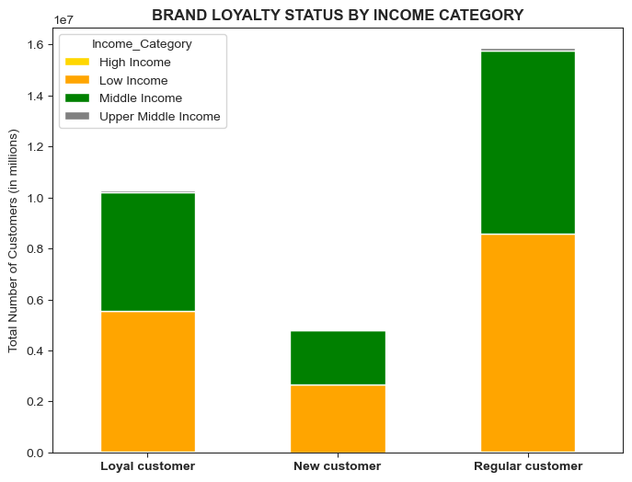
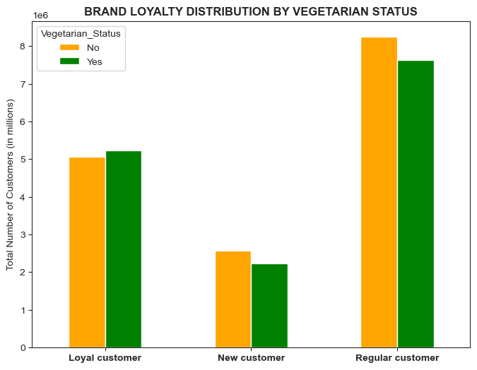

 | Based on the data's consumer salary per anum report, low-income and middle-income buyers are likely to take advantage of online grocery shopping services while upper-middle-income and high-income individuals are less likely to be customers. |  |  |  |  |  |  |  | Seem like customers are divided into two different food preferences, while it appears no significant changes in regular customers being the highest rank among the three levels.

 |  |  |  |  |  |  |  |  | NOTE: Vegan customers purchases items from produce, dry good pasta, and dairy eggs departments.

 | - Are there differences in ordering habits based on a customer’s loyalty status?

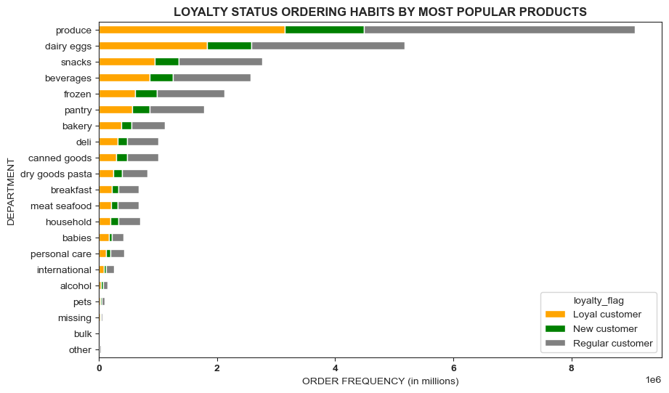
 |  |  |  |  |  |  |  | BRAND LOYALTY BREAKDOWN BY SPENDING HABITS

 |  |  |  |  |  |  |  |  |  | PRICE RANGE |  | Loyal customer | New customer | Regular customer
 |  |  |  |  |  |  |  |  |  | High-range product |  | 119,936 | 65,927 | 212,090
 |  |  |  |  |  |  |  |  |  | Low-range product |  | 3,214,690 | 1,501,288 | 4,958,862
 |  |  |  |  |  |  |  |  |  | Mid-range product |  | 6,949,467 | 3,236,480 | 10,705,824
 |  |  |  |  |  |  |  |  |  | TOTAL |  | 10,284,093 | 4,803,695 | 15,876,776

 |  |  |  |  |  |  |  |  | Overall regular customers have the highest total, however, all buyer statuses seem to lean towards mid-range priced products.

 |  |  |  |  |  |  |  |  |  | SPENDING FLAG |  | Loyal customer | New customer | Regular customer
 |  |  |  |  |  |  |  |  |  |  | High spender | 216,600 | 84,011 | 302,814
 |  |  |  |  |  |  |  |  |  | Low spender |  | 10,067,493 | 4,719,684 | 15,573,962
 |  |  |  |  |  |  |  |  |  |  | TOTAL | 10,284,093 | 4,803,695 | 15,876,776

 | Loyalty status doesn't display any significant differences however, statistics show that produce items are the most bought product followed by dairy eggs, snacks, and beverages. Adding frozen and pantry to the list. |  |  |  |  |  |  |  | Regular customers exhibit a consistent pattern with higher total spending although, the majority of the customers regardless of loyalty status are willing to pay an average price of less the $10.

 | - Are there differences in ordering habits based on a customer’s region?

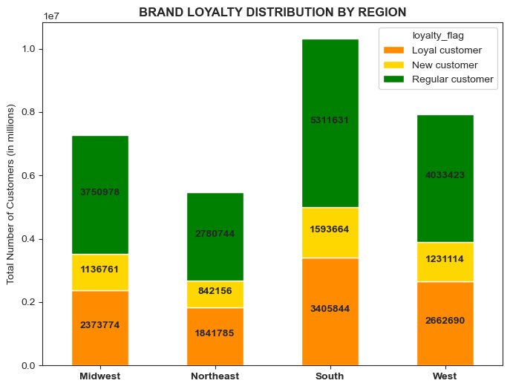
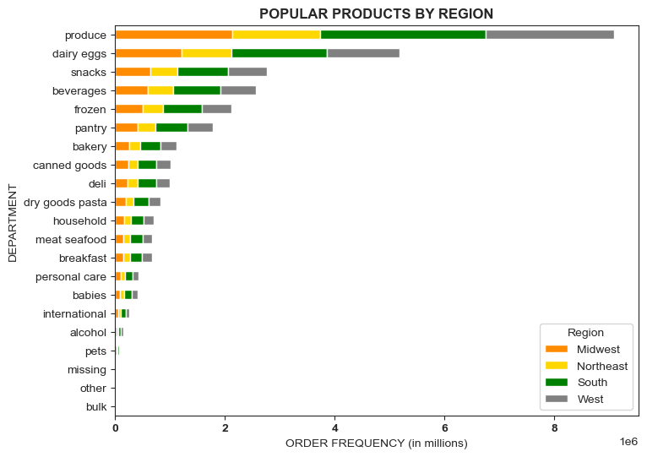
9%

 | There's a higher concentration of customers living in the South region while regular customers still have the highest frequency purchase rate. |  |  |  |  |  |  |  | Customers' product purchases based on region seem to demonstrate a similar buying pattern with buyers' loyalty statuses. Likewise, produce items are the most bought products followed by dairy eggs, snacks, beverages, frozen and pantry.

 | - Is there a connection between age and family status in terms of customer demographics? And/or connection between age and spending power (income)?

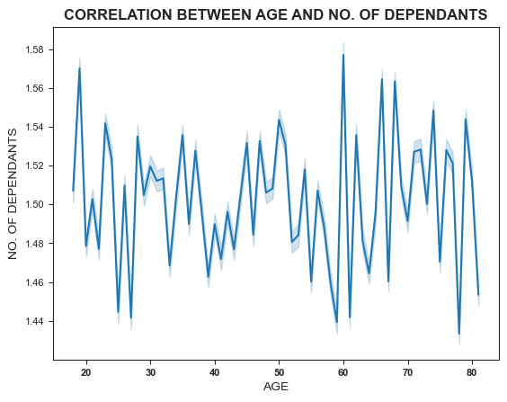
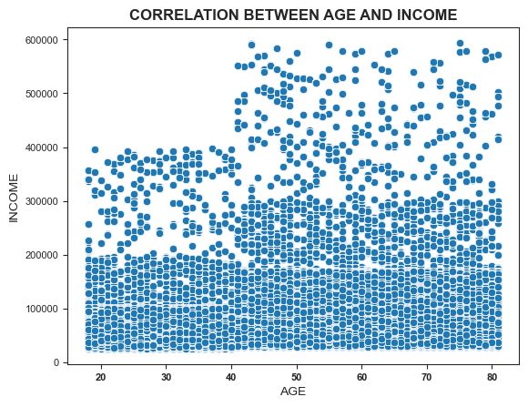

 | There's no clear relationship between Age and No. of Dependants which means, the combination of these two variables doesn't have an impact on customer's spending habits. |  |  |  |  |  |  |  | The correlation between spending power (income) and age group, is as follows: The customers between the ages of 20 - 39 are split between three different income groups a) Low : 0 - 100,000 USD while, b) Middle: 100,001 - 200,000 USD b) High: 200,001 - 400,000 USD The spending power rises as age matures making customers in their 40s and older have higher income however, splitting into four groups: a) Low : 0 - 100,000 USD b) Middle: 100,001 - 200,000 USD c) Upper Middle: 200,001 - 400,000 USD d) High: 400,001 - 600,000 USD In spite of the age differences, looking at the scatterplot as a whole, the majority of the customers' income is much more concentrated below 200,000 USD thus, spending power for the entire customer population is mostly at the lower range.

 | - What different classifications does the demographic information suggest? Age? Income? Certain types of food? Family status? - What differences can you find in ordering habits of different customer profiles? Consider the price of orders, the frequency of orders, the products customers are ordering, and anything else you can think of.

 | AGE CATEGORY

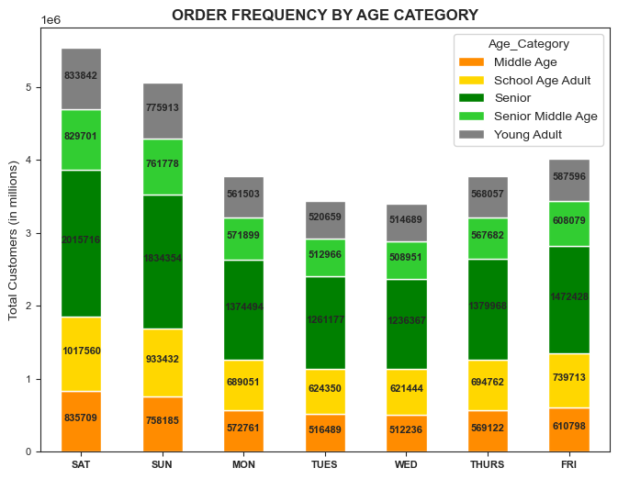
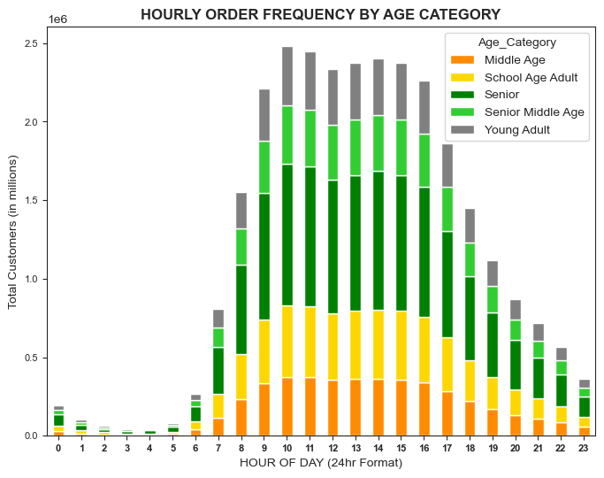

 |  |  |  |  |  |  | AGE CATEGORIES:
 |  |  |  |  |  |  | SCHOOL AGE ADULT 18 - 29
 |  |  |  |  |  |  | YOUNG ADULT 30 - 39
 |  |  |  |  |  |  | MIDDLE AGE 40 - 49
 |  |  |  |  |  |  | SENIOR MIDDLE AGE 50 - 59
 |  |  |  |  |  |  | SENIOR 60 - older

 | As determined earlier, purchases are mostly from the Senior, age category, the above chart displays the ordering pattern per day. Assuming most of the senior customers are retired they tend to order throughout the week. |  |  |  |  |  |  |  | Senior customers appear to purchase at 7 am and begin to spread out in all age groups at 8 am. Buying patterns in this chart demonstrate the preferred hours of each age category. Middle age, school age, and senior middle age adults are more likely to place orders at 8 am and young adults at 9 am.

 | INCOME CATEGORY

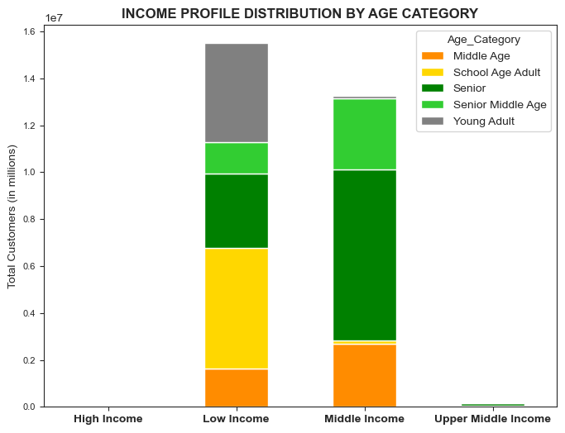
11%
33%
21%
9%
27%
20%
55%
23%
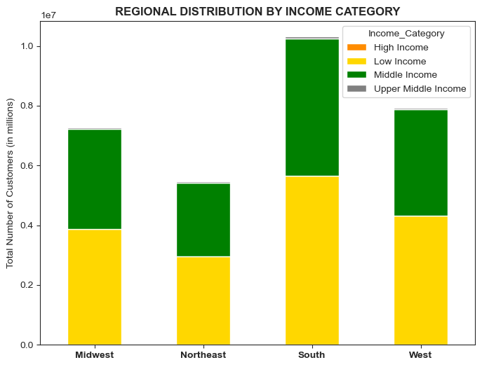
53%
46%
54%
45%
55%
44%
54%
55%

 |  |  |  |  |  |  | AGE CATEGORIES:
 |  |  |  |  |  |  | SCHOOL AGE ADULT 18 - 29
 |  |  |  |  |  |  | YOUNG ADULT 30 - 39
 |  |  |  |  |  |  | MIDDLE AGE 40 - 49
 |  |  |  |  |  |  | SENIOR MIDDLE AGE 50 - 59
 |  |  |  |  |  |  | SENIOR 60 - older

 | Most customers who purchase products have low incomes while 33% of them are school-age adults. Conversely, 55% of middle-income buyers are senior customers. |  |  |  |  |  |  |  | It appears that both low and middle-income customers are widely spread in all regions.

 | HOUSEHOLD STATUS
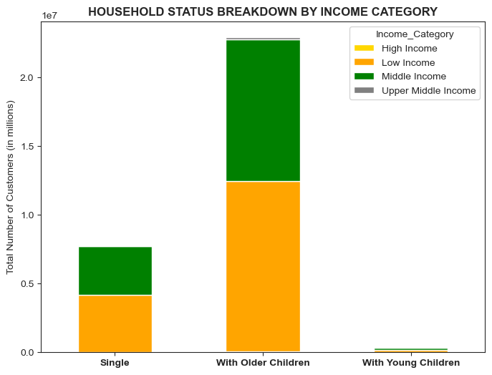
54%
45%
54%
45%
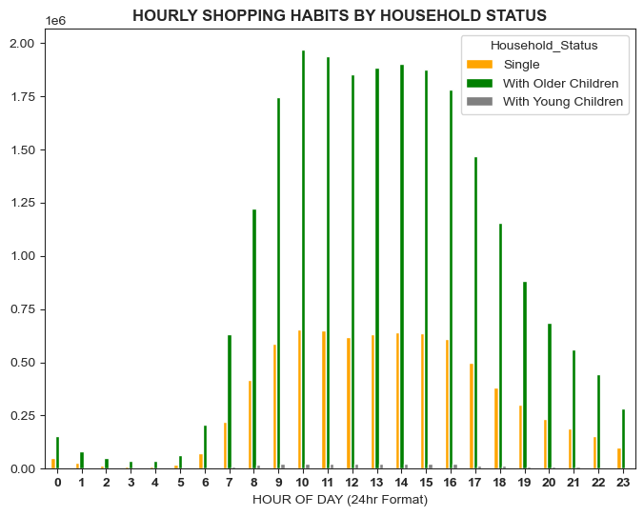

 | Household status based on income category determines customers' purchasing power. It appears that most are low-income families with older children living in their homes while middle income is the next big segment that makes up most of the customer base salary groups. |  |  |  |  |  |  |  | High-traffic activities are likely from households with older children while single customers are at a lower range and families with younger children have minimal impact.

 | VEGETARIAN STATUS
 | NOTE: Vegan customers purchases items from produce, dry good pasta, and dairy eggs departments.
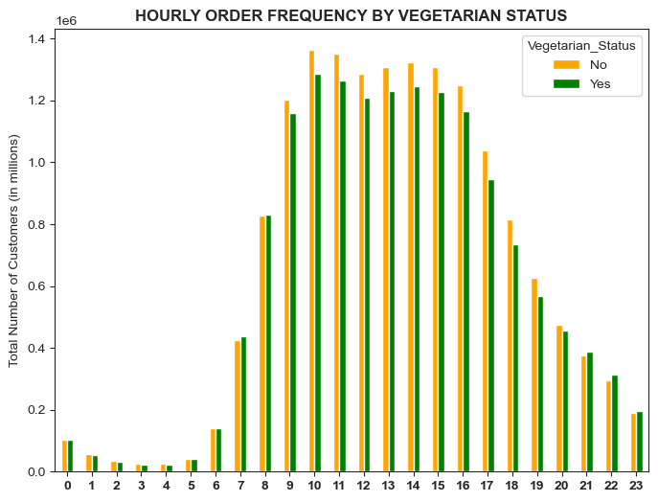
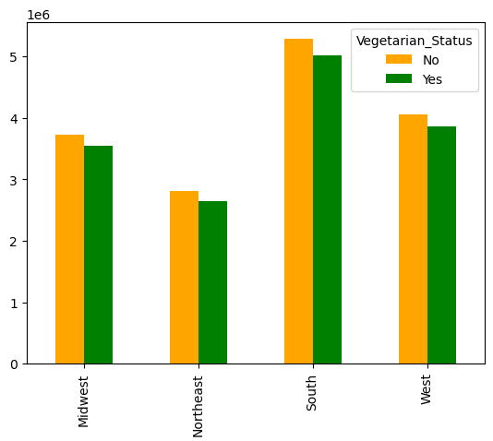
 |  |  |  |  |  |  |  | DISTRIBUTION PER REGION

 |  |  |  |  |  |  |  |  | TOTAL CUSTOMERS (in millions)

53%
46%
54%
45%
55%
44%
54%
55%

 | Non-vegetarian customers tend to place orders at 6 am and the activity increase up to 4 pm while vegetarian shares a similar pattern. |  |  |  |  |  |  |  | Customers' food preferences based on a vegetarian status seem to have a proportional distribution amongst all regions.

 | Regardless of food type preferences, the activities between vegetarian and non-vegetarian customers display no additional significant behaviors.Therefore, specific diet is not impacftul to marketing and sales objective to improve business.

(HIDE B4 SUBMTNG) MORE CHRTS
2) Are there particular times of the day when people spend the most money, as this might inform the type of products they advertise at these times.

ORDER FREQUENCY BY POPULAR PRODUCTS
 | beverages | dairy eggs | frozen | pantry | produce | snacks
7 | 66,553 | 154,902 | 54,756 | 46,324 | 260,886 | 70,141
10 | 235,794 | 452,024 | 161,795 | 151,101 | 769,161 | 253,121
14 | 211,658 | 422,958 | 176,709 | 150,882 | 752,732 | 229,525
16 | 200,128 | 397,878 | 175,307 | 136,731 | 701,558 | 216,065
PEAK HOURS
order_hour_of_day | alcohol | babies | bakery | beverages | breakfast | bulk | canned goods | dairy eggs | deli | dry goods pasta | frozen | household | international | meat seafood | missing | other | pantry | personal care | pets | produce | snacks
0 | 465 | 2,317 | 6,958 | 16,652 | 4,131 | 231 | 6,797 | 33,150 | 6,573 | 5,545 | 14,789 | 4,739 | 1,795 | 4,490 | 521 | 232 | 12,950 | 3,115 | 642 | 65,073 | 16,877
1 | 293 | 1,085 | 3,576 | 9,518 | 2,218 | 114 | 3,655 | 16,828 | 3,478 | 2,884 | 8,428 | 2,722 | 961 | 2,277 | 294 | 129 | 6,845 | 1,864 | 416 | 33,345 | 8,691
2 | 246 | 616 | 2,282 | 5,890 | 1,318 | 66 | 2,254 | 10,162 | 2,142 | 1,699 | 5,083 | 1,784 | 558 | 1,465 | 156 | 113 | 4,163 | 1,125 | 247 | 18,986 | 5,336
3 | 177 | 457 | 1,734 | 4,468 | 1,008 | 49 | 1,621 | 7,671 | 1,537 | 1,221 | 3,896 | 1,353 | 483 | 1,050 | 122 | 67 | 3,049 | 862 | 252 | 13,729 | 3,990
4 | 175 | 534 | 1,824 | 4,584 | 1,059 | 46 | 1,738 | 7,748 | 1,578 | 1,379 | 3,961 | 1,530 | 427 | 1,121 | 143 | 62 | 3,109 | 973 | 269 | 14,664 | 3,839
5 | 260 | 1,076 | 2,967 | 7,108 | 1,797 | 75 | 2,742 | 13,778 | 2,659 | 2,059 | 6,195 | 2,180 | 672 | 1,775 | 180 | 99 | 4,801 | 1,397 | 302 | 25,924 | 6,372
6 | 645 | 4,794 | 10,415 | 22,202 | 6,546 | 314 | 8,619 | 49,797 | 8,667 | 7,263 | 18,626 | 6,569 | 2,151 | 6,027 | 588 | 305 | 15,367 | 3,980 | 948 | 84,649 | 22,541
7 | 2,021 | 16,310 | 33,029 | 66,553 | 20,865 | 889 | 25,924 | 154,902 | 26,410 | 22,399 | 54,756 | 20,036 | 6,215 | 18,795 | 1,792 | 877 | 46,324 | 11,700 | 2,389 | 260,886 | 70,141
8 | 5,046 | 28,008 | 61,396 | 135,182 | 39,506 | 1,779 | 50,974 | 296,832 | 51,248 | 41,331 | 100,888 | 37,854 | 12,117 | 35,620 | 3,244 | 1,736 | 90,178 | 21,953 | 4,298 | 494,234 | 145,686
9 | 9,831 | 33,483 | 85,519 | 211,187 | 56,273 | 2,669 | 72,362 | 414,409 | 73,840 | 56,523 | 140,394 | 53,936 | 17,780 | 47,957 | 4,777 | 2,519 | 129,241 | 30,442 | 6,087 | 688,956 | 225,426
10 | 12,694 | 33,241 | 94,111 | 235,794 | 59,956 | 2,994 | 85,592 | 452,024 | 84,703 | 65,753 | 161,795 | 60,760 | 21,558 | 54,477 | 5,526 | 2,825 | 151,101 | 35,364 | 7,194 | 769,161 | 253,121
11 | 13,020 | 30,790 | 93,690 | 224,430 | 56,017 | 2,829 | 88,184 | 433,334 | 85,264 | 68,465 | 168,199 | 60,765 | 22,022 | 57,303 | 5,422 | 2,833 | 153,550 | 34,891 | 7,493 | 762,072 | 244,307
12 | 12,521 | 29,783 | 90,658 | 204,614 | 51,599 | 2,614 | 86,397 | 407,141 | 82,041 | 67,803 | 168,180 | 57,797 | 21,666 | 55,981 | 5,191 | 2,802 | 148,899 | 34,133 | 7,637 | 734,100 | 224,238
13 | 13,221 | 32,432 | 92,123 | 209,400 | 52,224 | 2,734 | 87,572 | 415,429 | 82,427 | 69,760 | 173,914 | 57,463 | 21,873 | 56,518 | 5,242 | 2,802 | 150,536 | 34,173 | 7,553 | 745,178 | 226,702
14 | 14,140 | 33,184 | 93,485 | 211,658 | 53,593 | 2,672 | 86,670 | 422,958 | 83,515 | 70,327 | 176,709 | 56,500 | 22,029 | 57,462 | 5,353 | 2,871 | 150,882 | 34,104 | 7,534 | 752,732 | 229,525
15 | 14,263 | 31,893 | 93,399 | 208,913 | 52,700 | 2,754 | 84,703 | 417,052 | 83,599 | 69,959 | 179,170 | 54,518 | 21,950 | 57,335 | 5,357 | 2,846 | 147,259 | 33,716 | 7,519 | 741,277 | 225,784
16 | 13,455 | 29,107 | 89,367 | 200,128 | 51,052 | 2,491 | 79,069 | 397,878 | 81,195 | 66,290 | 175,307 | 51,666 | 20,747 | 54,021 | 4,864 | 2,694 | 136,731 | 32,246 | 7,750 | 701,558 | 216,065
17 | 11,328 | 22,527 | 73,258 | 166,305 | 41,556 | 2,041 | 63,720 | 323,889 | 67,579 | 54,577 | 152,152 | 44,310 | 16,635 | 44,119 | 4,186 | 2,410 | 113,934 | 28,495 | 7,037 | 565,626 | 176,661
18 | 8,251 | 18,003 | 56,552 | 131,501 | 33,012 | 1,582 | 48,226 | 254,759 | 52,346 | 42,164 | 123,855 | 36,310 | 12,532 | 34,431 | 3,434 | 1,872 | 88,543 | 23,886 | 5,913 | 439,144 | 134,868
19 | 5,467 | 15,517 | 42,816 | 100,235 | 26,175 | 1,276 | 37,351 | 196,906 | 39,110 | 32,068 | 95,617 | 28,697 | 9,511 | 25,142 | 2,611 | 1,427 | 67,952 | 19,077 | 4,496 | 338,476 | 103,951
20 | 3,149 | 15,492 | 32,517 | 72,229 | 20,456 | 1,112 | 29,403 | 156,345 | 29,143 | 24,689 | 70,341 | 21,312 | 7,454 | 19,846 | 1,942 | 1,039 | 53,503 | 13,766 | 2,847 | 275,542 | 78,782
21 | 1,819 | 14,333 | 26,037 | 53,367 | 16,711 | 924 | 25,345 | 129,258 | 23,430 | 20,799 | 52,331 | 16,141 | 6,178 | 16,385 | 1,631 | 814 | 44,790 | 9,950 | 1,912 | 238,470 | 62,486
22 | 1,318 | 10,177 | 20,293 | 41,463 | 12,859 | 706 | 20,506 | 101,496 | 19,058 | 16,915 | 40,791 | 12,755 | 5,269 | 12,859 | 1,325 | 624 | 35,953 | 8,032 | 1,375 | 194,170 | 49,116
23 | 822 | 5,233 | 12,822 | 28,520 | 8,219 | 490 | 12,650 | 63,436 | 12,292 | 10,264 | 26,354 | 8,160 | 3,408 | 8,325 | 867 | 413 | 23,045 | 5,062 | 950 | 121,321 | 31,901

3) Instacart has a lot of products with different price tags. Marketing and sales want to use simpler price range groupings to help direct their efforts.
PRICE RANGE BY LOYALTY STATUS

price-range |  | Loyal customer | New customer | Regular customer
High-range product |  | 119936 | 65927 | 212090
Low-range product |  | 3214690 | 1501288 | 4958862
MId-range product |  | 6949467 | 3236480 | 10705824

BRAND LOYALTY BY AGE GROUP
 | Senior | School Age Adult | Middle Age | Senior Middle Age | Young Adult
alcohol | 47,596 | 25,820 | 19,754 | 20,329 | 21,015
babies | 138,738 | 71,595 | 59,581 | 57,555 | 56,066
bakery | 382,446 | 192,443 | 158,741 | 158,752 | 158,536
beverages | 883,669 | 436,781 | 363,204 | 365,702 | 358,838
breakfast | 227,751 | 117,717 | 95,041 | 95,044 | 93,735
canned goods | 344,447 | 175,612 | 141,622 | 143,281 | 141,418
dairy eggs | 1,762,512 | 893,099 | 733,580 | 720,690 | 735,438
deli | 343,335 | 172,228 | 142,735 | 140,258 | 141,962
dry goods pasta | 280,102 | 142,556 | 115,438 | 117,209 | 114,328
frozen | 728,963 | 363,632 | 298,327 | 300,654 | 295,299
household | 240,635 | 119,106 | 99,045 | 98,927 | 97,520
international | 86,448 | 44,678 | 36,611 | 35,748 | 36,181
meat seafood | 232,752 | 115,629 | 95,872 | 94,866 | 94,138
pantry | 609,961 | 305,510 | 251,177 | 250,841 | 250,044
personal care | 143,728 | 73,028 | 61,038 | 60,641 | 58,695
pets | 31,755 | 16,461 | 13,243 | 13,449 | 12,457
produce | 3,104,118 | 1,554,416 | 1,285,650 | 1,274,850 | 1,285,499
snacks | 940,733 | 476,603 | 385,667 | 393,975 | 392,616

5) What’s the distribution among users in regards to their brand loyalty (i.e., how often do they return to Instacart)?

order_frequency_flag | Loyal customer |  | New customer |  | Regular customer |  | TOTAL | OVERALL % |  | department | Middle Age | School Age Adult | Senior | Senior Middle Age | Young Adult
Frequent customer | 10,279,960 | 48% | 1,293,294 | 6% | 9,631,222 | 45% | 21,204,476 | 68% |  | alcohol | 19,754 | 25,820 | 47,596 | 20,329 | 21,015
Regular customer | 4,133 | 0% | 1,526,901 | 22% | 5,334,079 | 78% | 6,865,113 | 22% |  | babies | 59,581 | 71,595 | 138,738 | 57,555 | 56,066
Non-frequent customer | - | 0% | 1,983,500 | 69% | 911,475 | 31% | 2,894,975 | 9% |  | bakery | 158,741 | 192,443 | 382,446 | 158,752 | 158,536
TOTAL | 10,284,093 | 33% | 4,803,695 | 16% | 15,876,776 | 51% | 30,964,564 | 100% |  | beverages | 363,204 | 436,781 | 883,669 | 365,702 | 358,838
 |  |  |  |  |  |  |  |  |  | breakfast | 95,041 | 117,717 | 227,751 | 95,044 | 93,735
ORDER FREQUENCY BY LOYALTY STATUS
68% OVERALL CUSTOMERS
 |  |  |  |  |  |  |  |  |  | bulk | 4,855 | 5,870 | 11,424 | 4,555 | 4,766
 |  |  |  |  |  |  |  |  |  | canned goods | 141,622 | 175,612 | 344,447 | 143,281 | 141,418
 |  |  |  |  |  |  |  |  |  | dairy eggs | 733,580 | 893,099 | 1,762,512 | 720,690 | 735,438
 |  |  |  |  |  |  |  |  |  | deli | 142,735 | 172,228 | 343,335 | 140,258 | 141,962
 |  |  |  |  |  |  |  |  |  | dry goods pasta | 115,438 | 142,556 | 280,102 | 117,209 | 114,328
 |  |  |  |  |  |  |  |  |  | frozen | 298,327 | 363,632 | 728,963 | 300,654 | 295,299
 |  |  |  |  |  |  |  |  |  | household | 99,045 | 119,106 | 240,635 | 98,927 | 97,520
 |  |  |  |  |  |  |  |  |  | international | 36,611 | 44,678 | 86,448 | 35,748 | 36,181
 |  |  |  |  |  |  |  |  |  | meat seafood | 95,872 | 115,629 | 232,752 | 94,866 | 94,138
 |  |  |  |  |  |  |  |  |  | missing | 9,423 | 11,394 | 21,787 | 8,791 | 8,977
 |  |  |  |  |  |  |  |  |  | other | 4,696 | 6,134 | 11,604 | 4,939 | 4,731
 |  |  |  |  |  |  |  |  |  | pantry | 251,177 | 305,510 | 609,961 | 250,841 | 250,044
 |  |  |  |  |  |  |  |  |  | personal care | 61,038 | 73,028 | 143,728 | 60,641 | 58,695
 |  |  |  |  |  |  |  |  |  | pets | 13,243 | 16,461 | 31,755 | 13,449 | 12,457
 |  |  |  |  |  |  |  |  |  | produce | 1,285,650 | 1,554,416 | 3,104,118 | 1,274,850 | 1,285,499
 |  |  |  |  |  |  |  |  |  | snacks | 385,667 | 476,603 | 940,733 | 393,975 | 392,616
 |  |  |  |  |  |  |  |  |  | TOTAL | 4,375,300 | 5,320,312 | 10,574,504 | 4,361,056 | 4,362,259 | 28,993,431
 |  |  |  |  |  |  |  |  |  |  | 15% | 18% | 36% | 15% | 15%

loyalty_flag | Middle Age | School Age Adult | Senior | Senior Middle Age | Young Adult | TOTAL
Loyal customer | 1458661 | 1751575 | 3514773 | 1458203 | 1448335 | 9631547
New customer | 678747 | 827675 | 1649975 | 686279 | 669952 | 4512628
Regular customer | 2237892 | 2741062 | 5409756 | 2216574 | 2243972 | 14849256

ORDER FREQUENCY HOUSEHOLD INCOME
 | 15% | 18% | 36% | 15% | 15%
 | 42%

Household_Status | High Income | Low Income | Middle Income | Upper Middle Income
Single | 12,115 | 4,170,725 | 3,504,350 | 52,491
With Older Children | 34,643 | 12,427,967 | 10,301,961 | 153,248
With Young Children | 238 | 158,844 | 146,575 | 1,407

7. Are there differences in ordering habits based on a customer’s region?

BRAND LOYALTY BY REGION
 | Midwest | Northeast | West | South
alcohol | 34,043 | 25,017 | 36,754 | 48,813
babies | 95,741 | 72,712 | 102,428 | 139,511
bakery | 261,753 | 199,300 | 288,155 | 371,620
beverages | 598,979 | 462,929 | 650,574 | 859,419
breakfast | 156,155 | 117,904 | 173,619 | 223,172
bulk | 7,929 | 5,599 | 8,743 | 11,180
canned goods | 237,459 | 176,936 | 260,221 | 337,458
dairy eggs | 1,212,490 | 914,616 | 1,327,060 | 1,723,016
deli | 234,464 | 178,398 | 257,352 | 333,620
dry goods pasta | 193,463 | 143,817 | 212,043 | 272,813
frozen | 498,225 | 370,436 | 543,164 | 709,906
household | 166,992 | 124,604 | 178,200 | 230,061
international | 60,666 | 44,678 | 65,998 | 84,649
meat seafood | 158,260 | 118,571 | 173,830 | 224,120
pantry | 420,334 | 312,731 | 457,886 | 591,754
personal care | 100,398 | 74,765 | 106,647 | 142,496
pets | 21,358 | 17,734 | 24,059 | 29,909
produce | 2,134,115 | 1,593,004 | 2,324,678 | 3,027,476
snacks | 645,143 | 493,154 | 711,329 | 916,780
department | Midwest | Northeast | South | West | TOTAL
alcohol | 34,043 | 25,017 | 48,813 | 36,754 | 144,627
babies | 95,741 | 72,712 | 139,511 | 102,428 | 410,392
bakery | 261,753 | 199,300 | 371,620 | 288,155 | 1,120,828
beverages | 598,979 | 462,929 | 859,419 | 650,574 | 2,571,901
breakfast | 156,155 | 117,904 | 223,172 | 173,619 | 670,850
bulk | 7,929 | 5,599 | 11,180 | 8,743 | 33,451
canned goods | 237,459 | 176,936 | 337,458 | 260,221 | 1,012,074
dairy eggs | 1,212,490 | 914,616 | 1,723,016 | 1,327,060 | 5,177,182
deli | 234,464 | 178,398 | 333,620 | 257,352 | 1,003,834
dry goods pasta | 193,463 | 143,817 | 272,813 | 212,043 | 822,136
frozen | 498,225 | 370,436 | 709,906 | 543,164 | 2,121,731
household | 166,992 | 124,604 | 230,061 | 178,200 | 699,857
international | 60,666 | 44,678 | 84,649 | 65,998 | 255,991
meat seafood | 158,260 | 118,571 | 224,120 | 173,830 | 674,781
missing | 15,563 | 11,512 | 21,787 | 15,906 | 64,768
other | 7,983 | 6,268 | 11,579 | 8,581 | 34,411
pantry | 420,334 | 312,731 | 591,754 | 457,886 | 1,782,705
personal care | 100,398 | 74,765 | 142,496 | 106,647 | 424,306
pets | 21,358 | 17,734 | 29,909 | 24,059 | 93,060
produce | 2,134,115 | 1,593,004 | 3,027,476 | 2,324,678 | 9,079,273
snacks | 645,143 | 493,154 | 916,780 | 711,329 | 2,766,406

8. Is there a connection between age and family status in terms of customer demographics? And/or connection between age and spending power (income)?

INCOME DISTRIBUTION BY AGE GROUP
AGES
18 - 39
AGES
40 - older
Income_Category | Middle Age | School Age Adult | Senior | Senior Middle Age | Young Adult
Low Income | 1630328 | 5151654 | 3178786 | 1319897 | 4220671
Middle Income | 2694119 | 150142 | 7285990 | 3004017 | 125100
Upper Middle Income | 38097 | 18516 | 85535 | 31021 | 16488
High Income | 12756 | 0 | 24193 | 6121 | 0

7. Recommendations
 |  |  |  |  |  |  |  |  |  |  |  |  |  |  |  |  |  |  | Title page

Recommendations

Note: Instacart is a real company that’s made their data available online. However, the contents of this project brief have been fabricated for the purpose of this Achievement

KEY QUESTIONS: |  | COMMENTS:

1. | The sales team needs to know what the busiest days of the week and hours of the day are (i.e., the days and times with the most orders) in order to schedule ads at times when there are fewer orders. | High-traffic activities occur on weekends which means, most customer places order either at the end of their work week and/or non-work day. Saturday, Sunday and Friday are the days with significant transactions in their respective order. To optimize advertising campaign efficacy, it is best to schedule advertisements around and during the peak hours specifically Saturdays at 2 pm, Sundays at 10 am, and Fridays at 2 pm. Customers on these set hours will likely see potential product items for their next purchases.

HOULY ORDER FREQUENCY PER DAY
 |  |  |  |  |  |  |  |  |  | HOUR OF THE DAY | SATURDAY | SUNDAY | MONDAY | TUESDAY | WEDNESDAY | THURSDAY | FRIDAY | TOTAL
 |  |  |  |  |  |  |  |  |  | 0 | 37,261 | 35,377 | 28,248 | 26,159 | 23,287 | 27,887 | 29,823 | 208,042
 |  |  |  |  |  |  |  |  |  | 1 | 21,201 | 17,356 | 13,915 | 12,646 | 12,987 | 14,312 | 17,204 | 109,621
 |  |  |  |  |  |  |  |  |  | 2 | 12,271 | 10,095 | 7,953 | 7,991 | 7,600 | 8,881 | 10,900 | 65,691
 |  |  |  |  |  |  |  |  |  | 3 | 8,385 | 6,776 | 6,813 | 5,488 | 6,089 | 7,911 | 7,334 | 48,796
 |  |  |  |  |  |  |  |  |  | 4 | 7,973 | 7,374 | 6,560 | 6,350 | 6,508 | 8,380 | 7,618 | 50,763
 |  |  |  |  |  |  |  |  |  | 5 | 10,992 | 13,819 | 12,333 | 11,203 | 11,571 | 14,228 | 10,272 | 84,418
 |  |  |  |  |  |  |  |  |  | 6 | 33,732 | 50,963 | 42,184 | 39,657 | 38,546 | 45,061 | 30,870 | 281,013
 |  |  |  |  |  |  |  |  |  | 7 | 129,234 | 160,163 | 118,610 | 106,823 | 109,694 | 124,606 | 114,083 | 863,213
 |  |  |  |  |  |  |  |  |  | 8 | 295,324 | 322,665 | 215,623 | 190,903 | 187,368 | 216,662 | 230,565 | 1,659,110
 |  |  |  |  |  |  |  |  |  | 9 | 423,642 | 488,212 | 316,903 | 267,824 | 259,850 | 303,016 | 304,164 | 2,363,611
 |  |  |  |  |  |  |  |  |  | 10 | 492,531 | 529,173 | 344,839 | 300,752 | 293,204 | 342,526 | 346,719 | 2,649,744
 |  |  |  |  |  |  |  |  |  | 11 | 508,444 | 488,993 | 336,758 | 296,568 | 288,454 | 338,733 | 356,930 | 2,614,880
 |  |  |  |  |  |  |  |  |  | 12 | 507,714 | 440,909 | 314,156 | 283,242 | 276,359 | 319,002 | 354,413 | 2,495,795
 |  |  |  |  |  |  |  |  |  | 13 | 530,620 | 436,252 | 318,560 | 288,578 | 281,254 | 321,523 | 362,489 | 2,539,276
 |  |  |  |  |  |  |  |  |  | 14 | 537,202 | 431,977 | 319,934 | 290,856 | 284,001 | 331,431 | 372,502 | 2,567,903
 |  |  |  |  |  |  |  |  |  | 15 | 522,761 | 421,025 | 318,098 | 299,078 | 286,034 | 328,905 | 360,065 | 2,535,966
 |  |  |  |  |  |  |  |  |  | 16 | 475,228 | 397,348 | 314,981 | 291,981 | 284,756 | 312,980 | 336,407 | 2,413,681
 |  |  |  |  |  |  |  |  |  | 17 | 373,612 | 320,117 | 263,298 | 247,743 | 241,866 | 258,563 | 277,146 | 1,982,345
 |  |  |  |  |  |  |  |  |  | 18 | 269,281 | 244,481 | 214,042 | 202,202 | 197,136 | 207,269 | 216,773 | 1,551,184
 |  |  |  |  |  |  |  |  |  | 19 | 205,501 | 187,707 | 161,632 | 155,467 | 160,906 | 159,066 | 163,599 | 1,193,878
 |  |  |  |  |  |  |  |  |  | 20 | 175,654 | 144,375 | 123,678 | 116,095 | 125,145 | 120,644 | 125,318 | 930,909
 |  |  |  |  |  |  |  |  |  | 21 | 146,333 | 114,824 | 98,497 | 96,363 | 104,322 | 94,871 | 107,901 | 763,111
 |  |  |  |  |  |  |  |  |  | 22 | 115,703 | 87,339 | 76,774 | 77,991 | 85,737 | 75,335 | 88,181 | 607,060
 |  |  |  |  |  |  |  |  |  | 23 | 68,011 | 54,366 | 50,317 | 47,575 | 52,320 | 51,937 | 60,028 | 384,554
 |  |  |  |  |  |  |  |  |  | TOTAL | 5,908,610 | 5,411,686 | 4,024,706 | 3,669,535 | 3,624,994 | 4,033,729 | 4,291,304 | 30,964,564
 |  |  |  |  |  | FIGURE 1a |  |  |  |  |  |  |  | FIGURE 1b

2. | Are there particular times of the day when people spend the most money, as this might inform the type of products they advertise at these times. | While hourly transactions vary in the volume of placed orders, there are no significant differences in the choices of purchased items. High-priced orders during odds hours (2 - 3 am, 5 am, and 4 pm) have similar product demands with peak hours (9 am - 3 pm). Figure 2c illustrates fast-moving products at different times emphasizing the total units sold per hour. Slow-moving goods in international, alcohol and pets departments should be included in advertisements to increase product awareness.

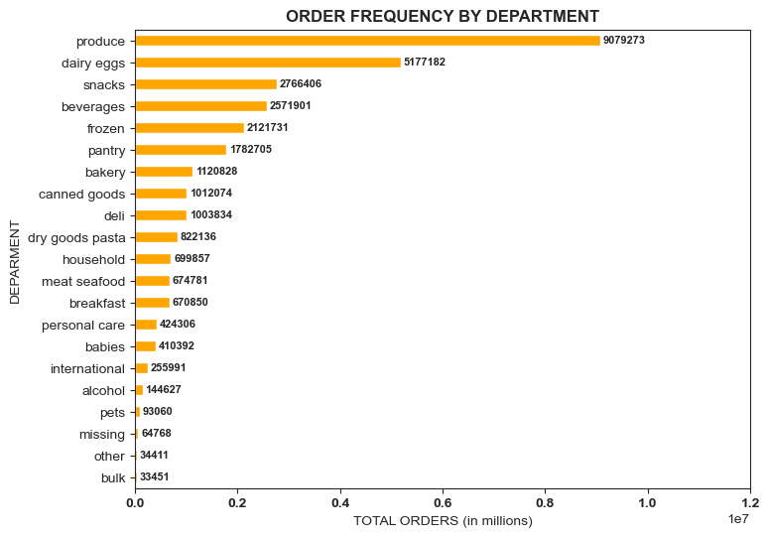
MOST POPULAR
LEAST POPULAR
ORDER FREQUENCY BY POPULAR PRODUCTS
 | beverages | dairy eggs | frozen | pantry | produce | snacks
7 | 66,553 | 154,902 | 54,756 | 46,324 | 260,886 | 70,141
10 | 235,794 | 452,024 | 161,795 | 151,101 | 769,161 | 253,121
14 | 211,658 | 422,958 | 176,709 | 150,882 | 752,732 | 229,525
16 | 200,128 | 397,878 | 175,307 | 136,731 | 701,558 | 216,065
PEAK HOURS
 |  | RANK | DEPARTMENT | TOTAL ORDER
 |  | 1 | produce | 9,079,273
 |  | 2 | dairy eggs | 5,177,182
 |  | 3 | snacks | 2,766,406
 |  | 4 | beverages | 2,571,901
 |  | 5 | frozen | 2,121,731
 |  | 6 | pantry | 1,782,705
 |  | 7 | bakery | 1,120,828
 |  | 8 | canned goods | 1,012,074
 |  | 9 | deli | 1,003,834
 |  | 10 | dry goods pasta | 822,136
 |  | 11 | household | 699,857
 |  | 12 | meat seafood | 674,781
 |  | 13 | breakfast | 670,850
 |  | 14 | personal care | 424,306
 |  | 15 | babies | 410,392
 |  | 16 | international | 255,991
 |  | 17 | alcohol | 144,627
 |  | 18 | pets | 93,060
 |  | 19 | missing | 64,768
 |  | 20 | other | 34,411
 |  | 21 | bulk | 33,451
 |  |  | FIGURE 2a

 |  |  |  |  |  |  |  | FIGURE 2b
 |  |  |  |  |  |  |  |  |  |  |  |  |  | FIGURE 2c

 | Instacart has a lot of products with different price tags. Marketing and sales want to use simpler price range groupings to help direct their efforts. | While there's a larger number of selections under mid-range products, it is the most favorably priced goods (figure 3b). Dairy eggs, the second fast-moving consumables have wider options while produce, a top-seller, offers two price points. Below are the departments with the most product variations: - HIGH-PRICE RANGE ($16 - above): Meat seafood & Dairy Eggs - MID-PRICE RANGE ($6 - $15): Produce & Dairy Eggs - LOW-PRICE RANGE ($5 - below): Produce, Snacks & Dairy Eggs Leveraging on mid-range goods can help move high (and/or low) price brands by offering bulk order discounts (price cuts). Honoring price reduction with a purchase of bigger ticket item(s) will gain sales on high-priced goods without the risk of losing profit, allowing the customers to experience premium brands with good deals. Another promotional concept to consider is seasonal bargains, it can also drive the demands while supplies change over time (i.e. pumpkins, baked goods for holidays, etc.).

3.

TOTAL PRODUCTS BY PRICE RANGE (%)
PRICE RANGE BY LOYALTY STATUS
 | Loyal customer | New customer | Regular customer
High-range product | 119936 | 65927 | 212090
Low-range product | 3214690 | 1501288 | 4958862
MId-range product | 6949467 | 3236480 | 10705824
 |  | department | HIGH-RANGE | LOW- RANGE | MID-RANGE
 |  | alcohol | - | 33,046 | 111,581
 |  | babies | - | 121,484 | 288,908
 |  | bakery | - | 274,986 | 845,842
 |  | beverages | - | 814,697 | 1,757,204
 |  | breakfast | - | 209,185 | 461,665
 |  | bulk | - | 1,181 | 32,270
 |  | canned goods | - | 281,711 | 730,363
 |  | dairy eggs | 4,877 | 1,370,908 | 3,801,397
 |  | deli | - | 299,220 | 704,614
 |  | dry goods pasta | - | 284,346 | 537,790
 |  | frozen | - | 647,617 | 1,474,114
 |  | household | - | 245,070 | 454,787
 |  | international | - | 73,203 | 182,788
 |  | meat seafood | 392,855 | - | 281,926
 |  | missing | - | 18,516 | 46,252
 |  | other | - | 15,259 | 19,152
 |  | pantry | 221 | 504,521 | 1,277,963
 |  | personal care | - | 123,874 | 300,432 |  |  |  |  |  |  |  |  | FIGURE 3c
 |  | pets | - | 28,165 | 64,895
 |  | produce | - | 2,585,708 | 6,493,565
 |  | snacks | - | 1,742,143 | 1,024,263
 |  | TOTAL | 397,953 | 9,674,840 | 20,891,771
 |  | GRAND TOTAL | 30,964,564
 |  |  | FIGURE 3a |  |  |  |  | FIGURE 3b

 | Are there certain types of products that are more popular than others? The marketing and sales teams want to know which departments have the highest frequency of product orders. | On average, the consumers' ordering habits of the popular goods change in rank (in key question 2) because the restocking patterns are based on consumption. The top 5 are highly consumable items, which most customers purchase at a higher frequency rate as opposed to low-selling products with longer shelf lives. Hence, the pantry brands that belong to the top 6 (in key question 2) - most bought items, fell at the bottom of the reordering lists while fresh food and drinkable selections such as dairy eggs, beverages, bakery and deli are at the top of the list. To increase sales on low-selling brands, utilizing ad suggestions upon checkout as additional items to the cart will increase movements from these departments.
4.

ORDER FRQUENCY BY PRODUCT (%)
TOP SELLERS
LOW SELLERS
 |  | RANK | department | mean
 |  | 1 | dairy eggs | 69%
 |  | 2 | beverages | 67%
 |  | 3 | produce | 67%
 |  | 4 | bakery | 64%
 |  | 5 | deli | 62%
 |  | 6 | pets | 62%
 |  | 7 | babies | 59%
 |  | 8 | alcohol | 59%
 |  | 9 | bulk | 59%
 |  | 10 | snacks | 59%
 |  | 11 | meat seafood | 59%
 |  | 12 | breakfast | 58%
 |  | 13 | frozen | 56%
 |  | 14 | dry goods pasta | 48%
 |  | 15 | canned goods | 47%
 |  | 16 | other | 42%
 |  | 17 | household | 42%
 |  | 18 | missing | 41%
 |  | 19 | international | 38%
 |  | 20 | pantry | 36%
 |  | 21 | personal care | 33% |  |  |  |  |  |  | FIGURE 4b
 |  |  | FIGURE 4a

 | What’s the distribution among users in regards to their brand loyalty (i.e., how often do they return to Instacart)? | The largest portion of users is regular customers which make up 1% shy of half of the total sum, loyal buyers are the second biggest, and new buyers are the smallest segment. Although their loyalty status may be different by the volume of orders per transaction, 68% of overall customers are frequent shoppers (figure 5a). Almost all (99%) of loyal customers are frequent shoppers which make up 48% while the other divisions are 45% regulars and 6% new. The distribution of frequent buyers is widely spread out in age, household and income status. In the age group (figure 5b), 36% are seniors - 60 and older, utilizing online grocery services while the other two leading categories are within school age (18 to 29) and middle age (40 to 49) respectively. Seniors are likely to visit regularly for convenience - fewer trips and no waiting in line. School-age adults are half the size of seniors and middle age is 8% less, but both younger age groups may have more active lifestyles, thus shopping opportunities are planned during the week to fit into their very busy schedules. Additionally, families with older children are proactively restocking food products and other household needs. With multiple family members living in one home, there's a higher possibility that consumables are quickly replenished thus, ordering more products by demand. Furthermore, income plays a big role in purchase decisions for every household. Most of these families belong to low and middle-income groups (figure 5c). In consideration of the users' different profiles, each has unique needs and order frequency varies on lifestyle and budget. As such, offering promos like price discounts, and loyalty rewards by point system (i.e. low range = 10 pts; mid-range = 15 pts) that is tailored to their needs can contribute to maintaining existing frequent buyers as well as upgrade non-frequent members to higher loyalty status. Recognizing these products which can be categorized as family-goods items, shou

5.

BRAND LOYALTY BY AGE GROUP
 | Senior | School Age Adult | Middle Age | Senior Middle Age | Young Adult
babies | 138,738 | 71,595 | 59,581 | 57,555 | 56,066
bakery | 382,446 | 192,443 | 158,741 | 158,752 | 158,536
beverages | 883,669 | 436,781 | 363,204 | 365,702 | 358,838
breakfast | 227,751 | 117,717 | 95,041 | 95,044 | 93,735
canned goods | 344,447 | 175,612 | 141,622 | 143,281 | 141,418
dairy eggs | 1,762,512 | 893,099 | 733,580 | 720,690 | 735,438
deli | 343,335 | 172,228 | 142,735 | 140,258 | 141,962
dry goods pasta | 280,102 | 142,556 | 115,438 | 117,209 | 114,328
frozen | 728,963 | 363,632 | 298,327 | 300,654 | 295,299
household | 240,635 | 119,106 | 99,045 | 98,927 | 97,520
international | 86,448 | 44,678 | 36,611 | 35,748 | 36,181
meat seafood | 232,752 | 115,629 | 95,872 | 94,866 | 94,138
pantry | 609,961 | 305,510 | 251,177 | 250,841 | 250,044
personal care | 143,728 | 73,028 | 61,038 | 60,641 | 58,695
produce | 3,104,118 | 1,554,416 | 1,285,650 | 1,274,850 | 1,285,499
snacks | 940,733 | 476,603 | 385,667 | 393,975 | 392,616
 |  |  |  | Loyal customer | New customer | Regular customer | TOTAL | OVERALL %
 |  | Frequent customer |  | 10,279,960 | 1,293,294 | 9,631,222 | 21,204,476 | 68%
 |  |  | Regular customer | 4,133 | 1,526,901 | 5,334,079 | 6,865,113 | 22%
 |  | Non-frequent customer |  | - | 1,983,500 | 911,475 | 2,894,975 | 9%
 |  |  | TOTAL | 10,284,093 | 4,803,695 | 15,876,776 | 30,964,564 | 100%
ORDER FREQUENCY BY LOYALTY STATUS
 | Loyal customer | Regular customer | New customer
Frequent customer | 10,279,960 | 9,631,222 | 1,293,294
Regular customer | 4,133 | 5,334,079 | 1,526,901
Non-frequent customer | - | 911,475 | 1,983,500
68% OF CUSTOMERS OVERALL

 |  |  |  |  | FIGURE 5a |  |  |  |  |  |  |  | FIGURE 5b

ORDER FREQUENCY HOUSEHOLD INCOME
 | Single | With Older Children | With Young Children
High Income | 12,115 | 34,643 | 238
Low Income | 4,170,725 | 12,427,967 | 158,844
Middle Income | 3,504,350 | 10,301,961 | 146,575
Upper Middle Income | 52,491 | 153,248 | 1,407

 |  |  |  |  |  |  |  |  | FIGURE 5c

6. | Are there differences in ordering habits based on a customer’s loyalty status? | There are no significant differences among all loyalty statuses, however, they share the same spending trends. In addition to mid-range products as a favorable price bracket for most consumers, brand names that carry items less than $10 and are likely to move faster than the higher price tags. Thus, middle and low-income clients (from key question 5) are drawn to budget-friendly products.

BRAND LOYALTY BREAKDOWN BY SPENDING HABITS

 |  | SPENDING FLAG | Loyal customer | New customer | Regular customer
 |  | High spender | 216,600 | 84,011 | 302,814
 |  | Low spender | 10,067,493 | 4,719,684 | 15,573,962
 |  | TOTAL | 10,284,093 | 4,803,695 | 15,876,776
 |  |  | FIGURE 6a

 |  |  |  |  |  |  |  |  |  |  |  | FIGURE 6b

 | Are there differences in ordering habits based on a customer’s region? | All regions share similar ordering patterns with the same popular brands in every national sale but don't display any significant dissimilarities. Nevertheless, there are product lines that have low interest for all states, like dry goods pasta, household, breakfast and babies are the least purchased goods but not at the bottom of the list. Despite poor sales volume, the South region carries the highest sold units (figure 7a) for these brands in comparison to other regions. Advertising-these goods in the southern region can improve sales and potentially expand the business to new customers - for instance, younger families with babies, etc. Furthermore, other, bulk and missing departments are the bottom three performers - it would be interesting to find out what list of items falls under these categories to strategically reposition them if necessary. Finally, alcohol and international goods have low customer interest. It is possible there may be restrictions (i.e. must have ID for proof of age, etc.) in place for transporting alcohol goods directly to consumers. Understanding these limitations could help form a tactical approach to upselling it. International goods can open business opportunities by introducing online grocery services to other ethnic groups. Hard-to-find culture-specific (Asian, European brands, etc.) products may encourage migrated families to find better deals and still have access to their favorite brands.

7.

BRAND LOYALTY BY REGION
 | Midwest | Northeast | West | South
alcohol | 34,043 | 25,017 | 36,754 | 48,813
babies | 95,741 | 72,712 | 102,428 | 139,511
bakery | 261,753 | 199,300 | 288,155 | 371,620
beverages | 598,979 | 462,929 | 650,574 | 859,419
breakfast | 156,155 | 117,904 | 173,619 | 223,172
bulk | 7,929 | 5,599 | 8,743 | 11,180
canned goods | 237,459 | 176,936 | 260,221 | 337,458
dairy eggs | 1,212,490 | 914,616 | 1,327,060 | 1,723,016
deli | 234,464 | 178,398 | 257,352 | 333,620
dry goods pasta | 193,463 | 143,817 | 212,043 | 272,813
frozen | 498,225 | 370,436 | 543,164 | 709,906
household | 166,992 | 124,604 | 178,200 | 230,061
international | 60,666 | 44,678 | 65,998 | 84,649
meat seafood | 158,260 | 118,571 | 173,830 | 224,120
missing | 15,563 | 11,512 | 15,906 | 21,787
other | 7,983 | 6,268 | 8,581 | 11,579
pantry | 420,334 | 312,731 | 457,886 | 591,754
personal care | 100,398 | 74,765 | 106,647 | 142,496
pets | 21,358 | 17,734 | 24,059 | 29,909
produce | 2,134,115 | 1,593,004 | 2,324,678 | 3,027,476
snacks | 645,143 | 493,154 | 711,329 | 916,780
 |  | department | Midwest | Northeast | South | West | TOTAL
 |  | alcohol | 34,043 | 25,017 | 48,813 | 36,754 | 144,627
 |  | babies | 95,741 | 72,712 | 139,511 | 102,428 | 410,392
 |  | bakery | 261,753 | 199,300 | 371,620 | 288,155 | 1,120,828
 |  | beverages | 598,979 | 462,929 | 859,419 | 650,574 | 2,571,901
 |  | breakfast | 156,155 | 117,904 | 223,172 | 173,619 | 670,850
 |  | bulk | 7,929 | 5,599 | 11,180 | 8,743 | 33,451
 |  | canned goods | 237,459 | 176,936 | 337,458 | 260,221 | 1,012,074
 |  | dairy eggs | 1,212,490 | 914,616 | 1,723,016 | 1,327,060 | 5,177,182
 |  | deli | 234,464 | 178,398 | 333,620 | 257,352 | 1,003,834
 |  | dry goods pasta | 193,463 | 143,817 | 272,813 | 212,043 | 822,136
 |  | frozen | 498,225 | 370,436 | 709,906 | 543,164 | 2,121,731
 |  | household | 166,992 | 124,604 | 230,061 | 178,200 | 699,857
 |  | international | 60,666 | 44,678 | 84,649 | 65,998 | 255,991
 |  | meat seafood | 158,260 | 118,571 | 224,120 | 173,830 | 674,781
 |  | missing | 15,563 | 11,512 | 21,787 | 15,906 | 64,768
 |  | other | 7,983 | 6,268 | 11,579 | 8,581 | 34,411
 |  | pantry | 420,334 | 312,731 | 591,754 | 457,886 | 1,782,705
 |  | personal care | 100,398 | 74,765 | 142,496 | 106,647 | 424,306
 |  | pets | 21,358 | 17,734 | 29,909 | 24,059 | 93,060
 |  | produce | 2,134,115 | 1,593,004 | 3,027,476 | 2,324,678 | 9,079,273
 |  | snacks | 645,143 | 493,154 | 916,780 | 711,329 | 2,766,406
 |  | TOTAL | 7,261,513 | 5,464,685 | 10,311,139 | 7,927,227 | 30,964,564
 |  | Note: Figures highlighted in yellow, belongs to the least popular brand but are significantly higher than other regions with potential for sales improvement.

 |  |  |  | FIGURE 7a
 |  |  |  |  |  |  |  |  |  |  |  |  | FIGURE 7a

 | Is there a connection between age and family status in terms of customer demographics? And/or connection between age and spending power (income)? | There is no strong correlation between age and the number of dependants, thus putting these two variables together will likely not contribute enough evidence to understand consumer behavior. However, income by age plays an important role in identifying customers' spending behavior. Further to my previous comment, in question 5, income status can increase over time as the working individual matures thus spending power grows as the buyer's age progress. However, in figure 8a, the distribution of income by age is highly concentrated between the low and middle groups, which means the customer spending will likely stay within these ranges to fit their budget. Investigating competitors' pricing schemes and conducting surveys on consumer expenditures per household will disclose some key information for the effective implementation of pricing strategies.
8.

LOW INCOME
MIDDLE INCOME
INCOME DISTRIBUTION BY AGE GROUP
 | Young Adult | School Age Adult | Middle Age | Senior Middle Age | Senior
Low Income | 4220671 | 5151654 | 1630328 | 1319897 | 3178786
Middle Income | 125100 | 150142 | 2694119 | 3004017 | 7285990
Upper Middle Income | 16488 | 18516 | 38097 | 31021 | 85535
High Income | 0 | 0 | 12756 | 6121 | 24193
AGES
18 - 39
AGES
40 - older

 |  |  |  |  | FIGURE 8a |  |  |  |  |  |  |  | FIGURE 8b

NEXT STEPS |  | In addition to the marketing and sales recommendations mentioned above, performing market research analysis on the new product line to extend services of top-notched brands will aim for new target audiences. While there are existing high-income members, they may be interested in premium brands and an exclusive offer on executive packages accessing high-end products can spark new interests and eventually grow business in that area. Furthermore, gathering data-driven facts in exploring consumer demands will provide valuable information to effectively implement targeted marketing strategies for various levels of consumers.

